外观
Patent Application Disclosure Form
Title of the Invention
Applicant/creator/inventor
Nationality
Passport number or Business License number
Company Name
Telephone number
Email address
Address
Creation Date | MM-DD-YYYY
Completion Date | MM-DD-YYYY
Completion Location | Country: City:
Publication Status* | Yes or Not
 | Publication Date: MM-DD-YYYY

Purpose
Briefly describe the actual use of the product, e.g., “Used for personal cooling
Main Innovative Features of the Design
State the novel aspects compared to existing products, such as unique shape, pattern, or color combination
Description of Design Features
Clearly indicate the design features to be protected, e.g., “The design point lies in the wavy structure of the casing and the transparent upper cover”
Description of Views
Please list the following views. Recommended size: 5cm × 5cm – 15cm × 22cm
说明：若各视图对称或一致，可注明“左右对称”、“俯仰一致”等。 Note: If the views are symmetrical or identical, you may indicate “left-right symmetrical”, “top-bottom identical”, etc. | 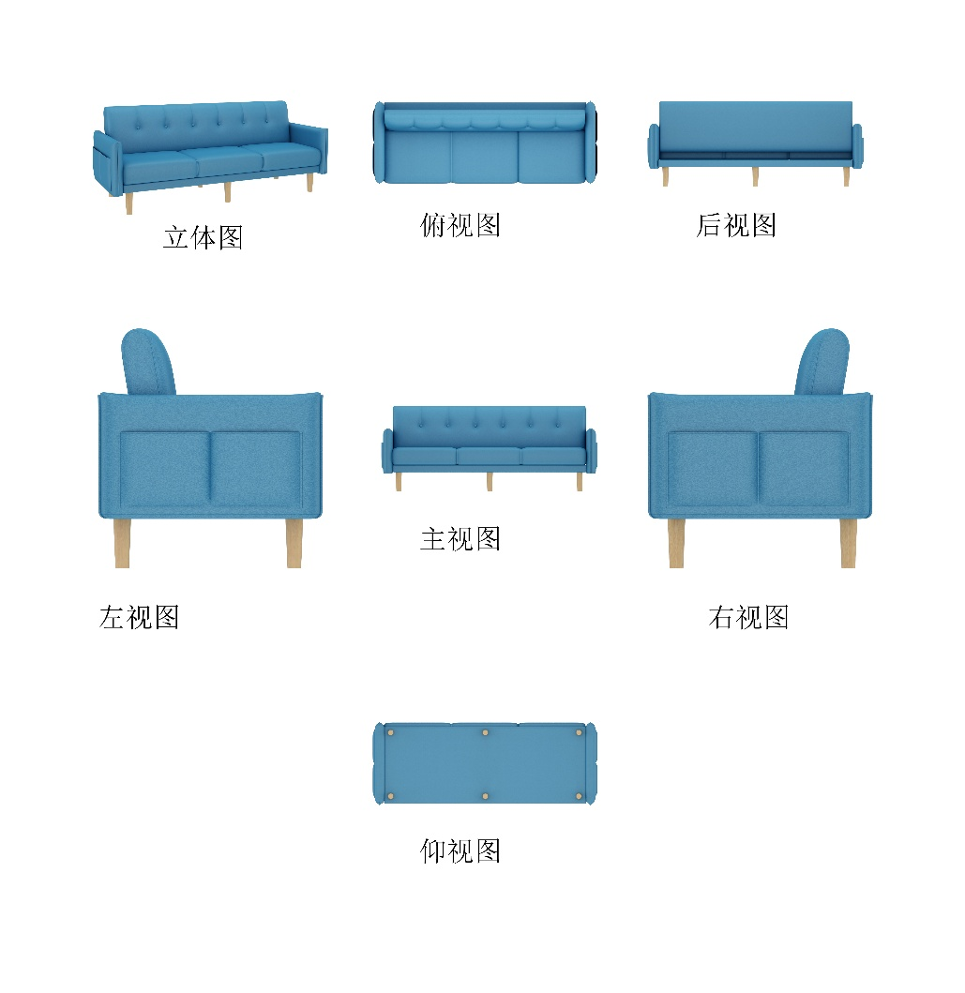
Comparison with Prior Designs (Optional)
Optional. Briefly explain the difference from similar products or prior patents
Additional Notes (if any)

Attachments
Passport Business Certificate Passport Holding Photo Six-View Drawings / 3D Perspective Drawings Colored Sample (if applying for color protection) Real Product Photo or Rendered Images (optional) | 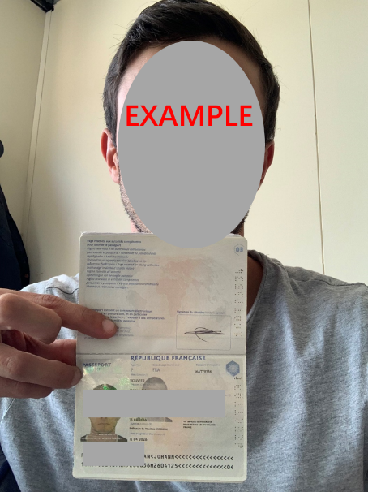

Your signature below constitutes your express authorization for TMRegisterChina (Gomax Group and its affiliated enterprises) to act on your behalf in all matters relating to copyright application in China. Signing this section shall have the same legal effect as executing a separate power of attorney.

Sign Here：——————————————————————

